Tabelle1
SUM MIX & PAN

MAIN BOARD
Qty | Value | Package | Parts | Description | Details
6 | 100R | R0603 | R68, R71, R74, R77, R80, R83 | RESISTOR, 1%, 1/10 W | RC0603FR-07100RL
60 | 100k | R0603 | R15, R17, R18, R19, R20, R25, R27, R28, R29, R30, R35, R37, R38, R39, R40, R45, R47, R48, R49, R50, R57, R67, R70, R73, R76, R79, R82, R94, R97, R98, R99, R100, R107, R110, R111, R112, R113, R120, R123, R124, R125, R126, R133, R136, R137, R138, R139, R146, R147, R149, R150, R151, R244, R250, R256, R262, R268, R274, R280, R286 | RESISTOR, 1%, 1/10 W | RC0603FR-07100KL
32 | 10k | R0603 | R13, R14, R23, R24, R33, R34, R43, R44, R53, R54, R69, R72, R75, R78, R81, R84, R243, R245, R249, R251, R255, R257, R261, R263, R267, R269, R273, R275, R279, R281, R285, R287 | RESISTOR, 1%, 1/10 W | RC0603FR-0710KL
2 | 15k | R0603 | R59, R61 | RESISTOR, 1%, 1/10 W | RC0603FR-0715KL
8 | 1k | R0603 | R85, R86, R87, R88, R89, R90, R91, R92 | RESISTOR, 1%, 1/10 W | RC0603FR-071KL
1 | 200k | R0603 | R55 | RESISTOR, 1%, 1/10 W | RC0603FR-07200KL
4 | 20k | R0603 | R16, R26, R36, R46 | RESISTOR, 1%, 1/10 W | RC0603FR-0720KL
12 | 240k | R0603 | R21, R22, R31, R32, R41, R42, R51, R52, R106, R119, R132, R145 | RESISTOR, 1%, 1/10 W | RC0603FR-07240KL
1 | 270k | R0603 | R56 | RESISTOR, 1%, 1/10 W | RC0603FR-07270KL
1 | 27k | R0603 | R63 | RESISTOR, 1%, 1/10 W | AF0603FR-0727KL
12 | 2k2 | R0603 | R102, R115, R128, R141, R247, R253, R259, R265, R271, R277, R283, R289 | RESISTOR, 1%, 1/10 W | RC0603FR-072K2L
8 | 2k4 | R0603 | R246, R252, R258, R264, R270, R276, R282, R288 | RESISTOR, 1%, 1/10 W | RC0603FR-072K4L
8 | 330k | R0603 | R104, R105, R117, R118, R130, R131, R143, R144 | RESISTOR, 1%, 1/10 W | RC0603FR-07330KL
2 | 47k | R0603 | R58, R60 | RESISTOR, 1%, 1/10 W | RC0603FR-0747KL
10 | 4k7 | R0603 | R65, R66, R248, R254, R260, R266, R272, R278, R284, R290 | RESISTOR, 1%, 1/10 W | AC0603FR-134K7L
1 | 4k99 | R0603 | R93 | RESISTOR, 1%, 1/10 W | RC0603FR-074K99L
4 | 5k6 | R0603 | R103, R116, R129, R142 | RESISTOR, 1%, 1/10 W | RC0603FR-075K6L
4 | 62k | R0603 | R95, R108, R121, R134 | RESISTOR, 1%, 1/10 W | AC0603FR-1362KL
1 | 680R | R0603 | R64 | RESISTOR, 1%, 1/10 W | RC0603FR-07680RL
1 | 6k8 | R0603 | R62 | RESISTOR, 1%, 1/10 W | RC0603FR-076K8L
4 | 75k | R0603 | R96, R109, R122, R135 | RESISTOR, 1%, 1/10 W | RC0603FR-0775KL
4 | 8k2 | R0603 | R101, R114, R127, R140 | RESISTOR, 1%, 1/10 W | RC0603FR-078K2L
33 | 100nF | C0603 | C5, C6, C7, C8, C9, C10, C11, C12, C13, C18, C20, C21, C22, C23, C27, C28, C29, C30, C33, C34, C35, C79, C85, C90, C91, C92, C93, C98, C99, C100, C101, C102, C103 | CERAMIC CAPACITOR | C0603C104K5REAUTO
12 | 1nF | C0603 | C14, C15, C16, C17, C86, C87, C88, C89, C94, C95, C96, C97 | CERAMIC CAPACITOR | VJ0603Y102JXACBC
8 | 1N4148 | SOD123 | D1, D2, D3, D4, D5, D6, D7, D8 | Diode | 1N4148W-HE3-08
27 | BC860C | SOT23 | Q1, Q2, Q3, Q4, Q5, Q6, Q7, Q8, Q9, Q10, Q11, Q12, Q13, Q14, Q15, Q16, Q17, Q18, Q19, Q20, Q21, Q22, Q23, Q24, Q25, Q26, Q27 | PNP transistors | BC860C
9 | BC850C | SOT23 | T1, T2, T3, T4, T5, T6, T7, T8, T9 | NPN transistors | BC850C
2 | 10uF | SMD, 4x5.8mm | C1, C2 | POLARIZED CAPACITOR | EEE-FK1V100UR
1 | REF02CSZ | SO08 | IC1 | VOLTAGE REFERENCE | REF02CSZ
15 | TL074 | 14-SOIC | U2, U3, U4, U5, U6, U7, U8, U9, U10, U19, U20, U21, U22, U23, U24 | TL074 | TL072BCDR
1 | TL072 | 8-SOIC | U11 | TL072 | TL074BCD
17 | 1x4 MALE HEADER | 4P/2.54MM | JIN1, JIN2, JOLED, JOUT, JPAN1, JPAN2, JPAN3, JPAN4, JPCON1_2, JPCON3_4, JPIN1234, JPWR1, JSPSC, JVLED1_2, JVLED3_4, JVOL1_2, JVOL3_4 | MALE HEADER | Tayda A-4662
11 | 1x4 FEMALE HEADER | 4P/2.54MM | JIN1.1, JIN2.1, JOLED.1, JOUT.1, JPAN1.1, JPAN2.1, JPAN3.1, JPAN4.1, JPWR1.1, JVLED_THROUGH1, JVLED_THROUGH2 | Female Header | Tayda A-1303

VCA BOARD
Qty | Value | Package | Parts | Description | Details
8 | 100k | R0603 | R1, R2, R4, R5, R7, R8, R10, R11 | RESISTOR, 1%, 1/10 W | RC0603FR-07100KL
60 | 10k | R0603 | R3, R6, R9, R12, R148, R154, R155, R157, R158, R159, R162, R163, R165, R166, R167, R170, R171, R173, R174, R175, R178, R179, R181, R182, R183, R186, R187, R189, R190, R191, R194, R195, R197, R199, R202, R203, R205, R207, R210, R211, R213, R214, R215, R217, R218, R221, R222, R224, R225, R228, R229, R231, R232, R235, R236, R238, R239, R240, R292, R294 | RESISTOR, 1%, 1/10 W | RC0603FR-0710KL
2 | 1k | R0603 | R291, R293 | RESISTOR, 1%, 1/10 W | RC0603FR-071KL
2 | 270R | R0603 | R241, R242 | RESISTOR, 1%, 1/10 W | AF0603FR-07270RL
12 | 330k | R0603 | R153, R161, R169, R177, R185, R193, R201, R206, R209, R220, R227, R234 | RESISTOR, 1%, 1/10 W | RC0603FR-07330KL
4 | 3k9 | R0603 | R156, R164, R172, R180 | RESISTOR, 1%, 1/10 W | AC0603FR-133K9L
12 | 68k | R0603 | R152, R160, R168, R176, R184, R192, R198, R200, R208, R219, R226, R233 | RESISTOR, 1%, 1/10 W | RC0603FR-0768KL
8 | 9k1 | R0603 | R188, R196, R204, R212, R216, R223, R230, R237 | RESISTOR, 1%, 1/10 W | RC0603FR-079K1L
28 | 100nF | C0603 | C19, C24, C26, C31, C52, C53, C54, C55, C56, C57, C58, C59, C60, C61, C62, C63, C72, C73, C74, C75, C76, C77, C78, C80, C81, C82, C83, C84 | CERAMIC CAPACITOR | C0603C104K5REAUTO
28 | 5.6pF | C0603 | C1, C2, C3, C4, C36, C37, C38, C39, C40, C41, C42, C43, C44, C45, C46, C47, C48, C49, C50, C51, C64, C65, C66, C67, C68, C69, C70, C71 | CERAMIC CAPACITOR | 06035A5R6KAT2A
2 | SM4001PL-TP | SOD123 | D10, D11 | 400 V, 1 A high power diode | SM4001PL-TP
2 | MMBT3904 | SOT23-BEC | T10, T11 | NPN Transistor | MMBT3904-F
2 | 10uF | SMD, 4x5.8mm | C25, C32 | POLARIZED CAPACITOR | EEE-FK1V100UR
12 | 100k | 3314J-1 | OFS_PAN_1L, OFS_PAN_1R, OFS_PAN_2L, OFS_PAN_2R, OFS_PAN_3L, OFS_PAN_3R, OFS_PAN_4L, OFS_PAN_4R, OFS_VOL_1, OFS_VOL_2, OFS_VOL_3, OFS_VOL_4 | SMT trimmer | 3314J-1-104E
1 | TL072 | 8-SOIC | U18 | TL072 | TL072BCDR
7 | TL074 | 14-SOIC | U1, U12, U13, U14, U15, U16, U17 | TL074 | TL074BCD
6 | CA3280E | DIL16 | OTA1, OTA2, OTA3, OTA4, OTA5, OTA6 | Dual OTA | Pusherman
6 | IC Holder | 16 PIN | OTA1, OTA2, OTA3, OTA4, OTA5, OTA6 | IC Holder | Tayda A-003
1 | 2x5 MALE HEADER | JMP/10P/DIP | PWR | Power Header | 68002-106HLF
11 | 1x4 MALE HEADER | JMP/4P/SIP | JIN1.1, JIN2.1, JOLED.1, JOUT.1, JPAN1.1, JPAN2.1, JPAN3.1, JPAN4.1, JPWR1.1, JVLED_THROUGH1, JVLED_THROUGH2 | MALE HEADER | Tayda A-4662

CONTROL BOARD
Qty | Value | Package | Parts | Description | Details
4 | B10k | PTA3043-2015DPB103 | VOL_MAN_1, VOL_MAN_2, VOL_MAN_3, VOL_MAN_4 | Sliding potentiometers | PTA3043-2015CPB103
2 | B100k | 9MM T18 | SCAN, SPAN | POTENTIOMETER | Thonk
2 | B100k (Plastic) | 9MM Plastic | SCAN_CV_ATT, SPAN_CV_ATT | POTENTIOMETER | Thonk
4 | B10k (Stereo) | 9MM T18 | PAN1, PAN2, PAN3, PAN4 | POTENTIOMETER | Thonk
14 | LEDS3MM | LED3MM | LED1, LED2, LED3, LED4, LED5, LED6, LED7, LED8, LED9, LED10, LED11, LED12, LED_L, LED_R* | LEDs | Thonk
16 | THONKICONN | PJ301M-12 | IN1, IN2, IN3, IN4, OUT_L, OUT_R, PAN_1, PAN_2, PAN_3, PAN_4, SCAN_CV, SPAN_CV, VOL_1, VOL_2, VOL_3, VOL_4 | PJ301M-12 | Thonk
17 | 1x4 FEMALE HEADER | JMP/4P/SIP | JIN1, JIN2, JOLED, JOUT, JPAN1, JPAN2, JPAN3, JPAN4, JPCON1_2, JPCON3_4, JPIN1234, JPWR1, JSPSC, JVLED1_2, JVLED3_4, JVOL1_2, JVOL3_4 | Female Header | Tayda A-1303
1 | Screw | M2 | To secure the boards together
2 | Standoffs & 1x Nut | M2 In/Out | To secure the boards together

 | * To make room for traces, the holes on the panel for LED_L and LED_R don´t align perfectly with the holes on the board. Before soldering, bend the two LED legs twice to create a step so that they fit better into the holes later.
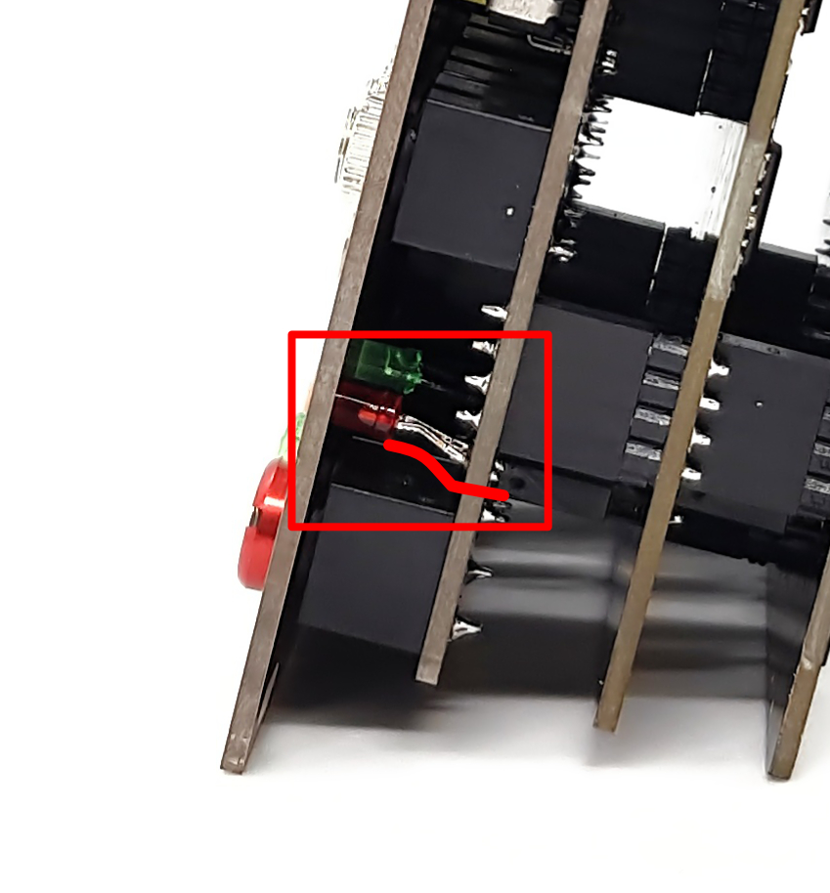

 | Calibration
 | For each VCA you can adjust the DC offset. Each OTA chip has trimmer pots that can be calibrated as follow:
 | Connect a scope to the output jacks (DC)
 | PAN CHANNEL 1
 | Turn pan of the channel to the left
 | Adjust OFS_PAN_1L to zero volts
 | Turn pan of the channel to the right
 | Adjust OFS_PAN_1R to zero volts
 | PAN CHANNEL 2
 | Turn pan of the channel to the left
 | Adjust OFS_PAN_2L to zero volts
 | Turn pan of the channel to the right
 | Adjust OFS_PAN_2R to zero volts
 | PAN CHANNEL 3
 | Turn pan of the channel to the left
 | Adjust OFS_PAN_3L to zero volts
 | Turn pan of the channel to the right
 | Adjust OFS_PAN_3R to zero volts
 | PAN CHANNEL 14
 | Turn pan of the channel to the left
 | Adjust OFS_PAN_4L to zero volts
 | Turn pan of the channel to the right
 | Adjust OFS_PAN_4R to zero volts
 | VOLUME CHANNEL 1-4
 | Turn pan of the channel to mid position
 | Slide volume of channel 1 up to the max
 | Adjust OFS_VOL_1 to zero volts
 | Slide volume of the channel back to min
 | Repeat for the other channels

